Sheet1
 |  |  |  | Payment

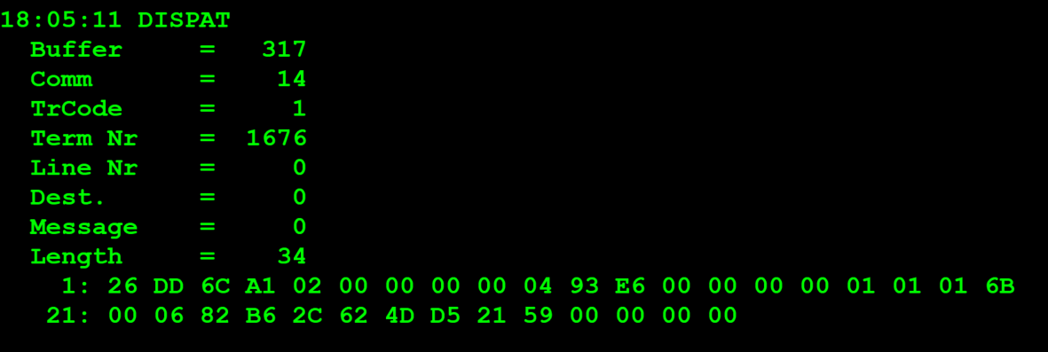
TestByte |  | Size | Field Contents
Start | End
1 | 1 | 1 | Control | Sequence | 26 | Control=0010 Sequence=0110 | 2 6 | Control -> x10 - Application Message Sequence -> 6
2 | 2 | 1 | Type = 13 | Subtype = 13 | DD | Type=1101 Subtype=1101 | Type=13 Subtype=13 | Type = 13 Subtype = 13
3 | 4 | 2 | Checksum |  | 6C A1
5 | 5 | 1 | Statistics[1] |  | 02 |  |  | 02 = Wand or Slot Reader
6 | 7 | 2 | Option Flags |  | 00 00 |  |  | ??
8 | 8+n-1 | n | Option Data[2] |  | N | N | N | N
8+n | 8+n | 1 | Batch Flag (see below) |  | 00 |  |  | x00 = Not Batched
9+n | 12+n | 4 | Retailer number, who gets the credit For non-privileged terminals this field should be set to 0. |  | 00 04 93 E6 |  | 300006 | 0300006
13+n | 13+n | 1 | Validation Mode ( 0 = Pay, 1 = Inquire with no updates ) |  | 00 |  | 0 | 0 = Pay
14+n | 17+n | 4 | Envelope Identification Number (generated by the terminal) For non-privileged terminal this field should be set to 0. |  | 00 00 00 01 |  | 1 | Envelope ID: 1
18+n | 18+n | 1 | Number of Tickets in Batch |  | 01 |  | 1 | 1 TICKET
19+n | 20+n | 2 | Game Number (000-999) |  | 01 6B |  | 363 | 363
21+n | 24+n | 4 | Pack Number |  | 00 06 82 B6 |  | 426678
25+n | 28+n | 4 | VIRN Number (9 digits) |  | 2C 62 4D D5 |  | 744639957
29+n | 30+n | 2 | Latex Number |  | 21 59 |  | 8537
31+n | 34+n | 4 | Amount in cents |  | 00 00 00 00 |  | 0 CENT | 0 EUROS

TestByte |  | Size | Field Contents
Start | End
1 | 1 | 1 | Control | Sequence | 26 | Control=0010 Sequence=0110 | 2 6 | Control -> x10 - Application Message Sequence -> 6
2 | 2 | 1 | Type = 13 | Subtype = 13 | DD | Type=1101 Subtype=1101 | Type=13 Subtype=13 | Type = 13 Subtype = 13
3 | 4 | 2 | Checksum |  | 3C 88
5 | 7 | 3 | Time Stamp (seconds since midnight) |  | 00 FE 57 |  | 65111 | 18:05:11.
8 | 9 | 2 | Julian Date (3 digits, unsigned) |  | 00 44 |  | 68 | 68=31+28+9
10 | 12 | 3 | External Serial Number (8 digits, unsigned) |  | A9 16 89 |  | 13112984
13 | 13 | 1 | Check digit |  | F1 |  | 241 | 241
14 | 14 | 1 | Result Code 1 (see below) |  | 00 |  | 0 | 00 = No error (number of tickets in the batch in Result Code 2)
15 | 15 | 1 | Result Code 2 (see below) |  | 01 |  | 1 | 1 ticket
16 | 16 | 1 | Option Flags |  | 00 |  | 0 | 00 = Normal validation (Cash Prize)
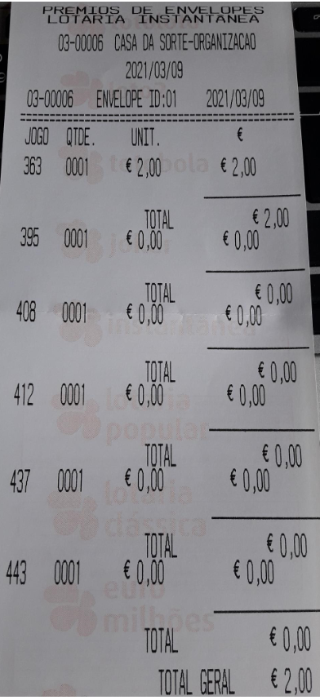
17 | 17+n | n | Option Data (see below) |  | N | N | N | N

 | TestByte |  | Size | Field Contents
 | Start | End
 | 1 | 1 | 1 | Ticket Result Code | 00 |  | 0
 | 2 | 5 | 4 | Prize Amount of Validated Ticket (In cents) | 00 00 00 C8 |  | 200 CENT | 2 EUROS
 | 6 | 6 | 1 | Pack status for the privileged terminal: | 00 |  | 0 | 0 – OK
 |  |  |  | Value:
 |  |  |  | 0 – OK
 |  |  |  | 1 – Missing
 |  |  |  | 2 - Stolen

